ALL FITUR CEKLIS
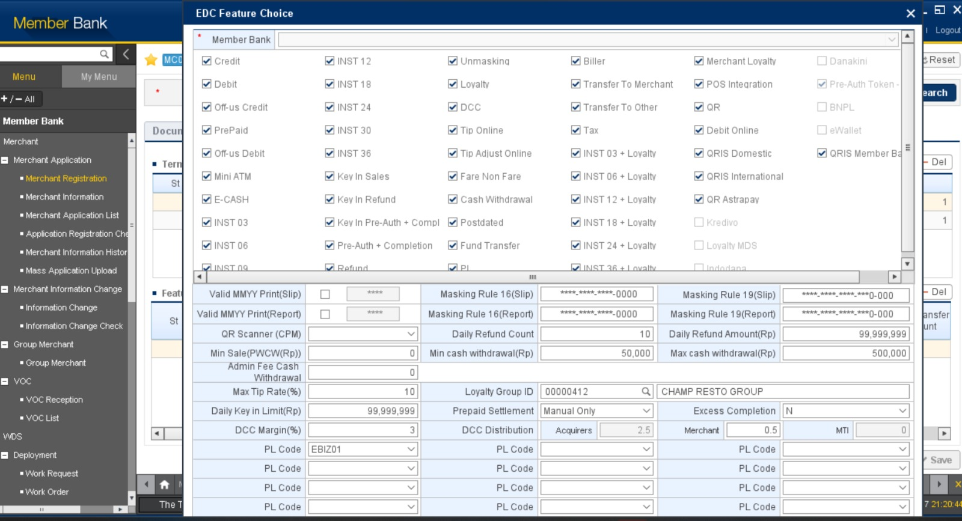

Semua fitur di ceklis, kecuali untuk yang grey fitur bisa diceklis hanya jika ada permintaan dr memberbank terkait.

MDR YANG TERBENTUK
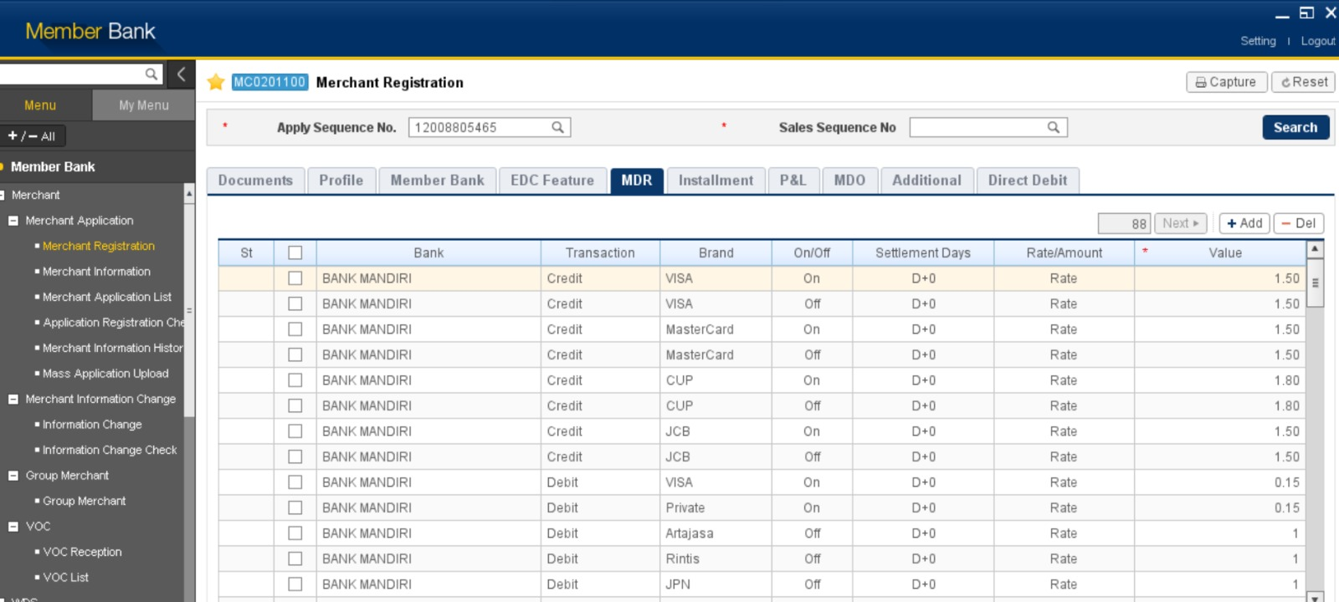

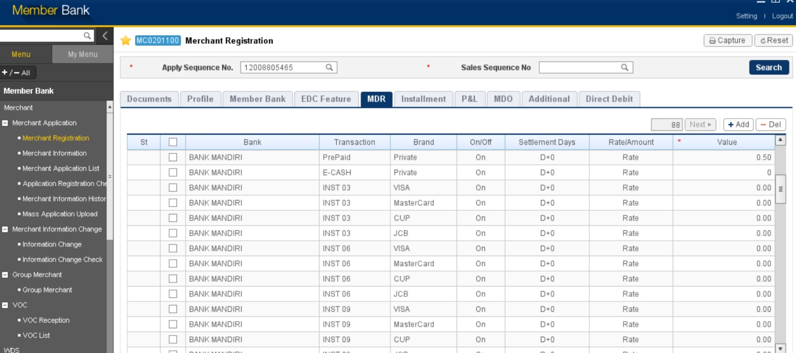

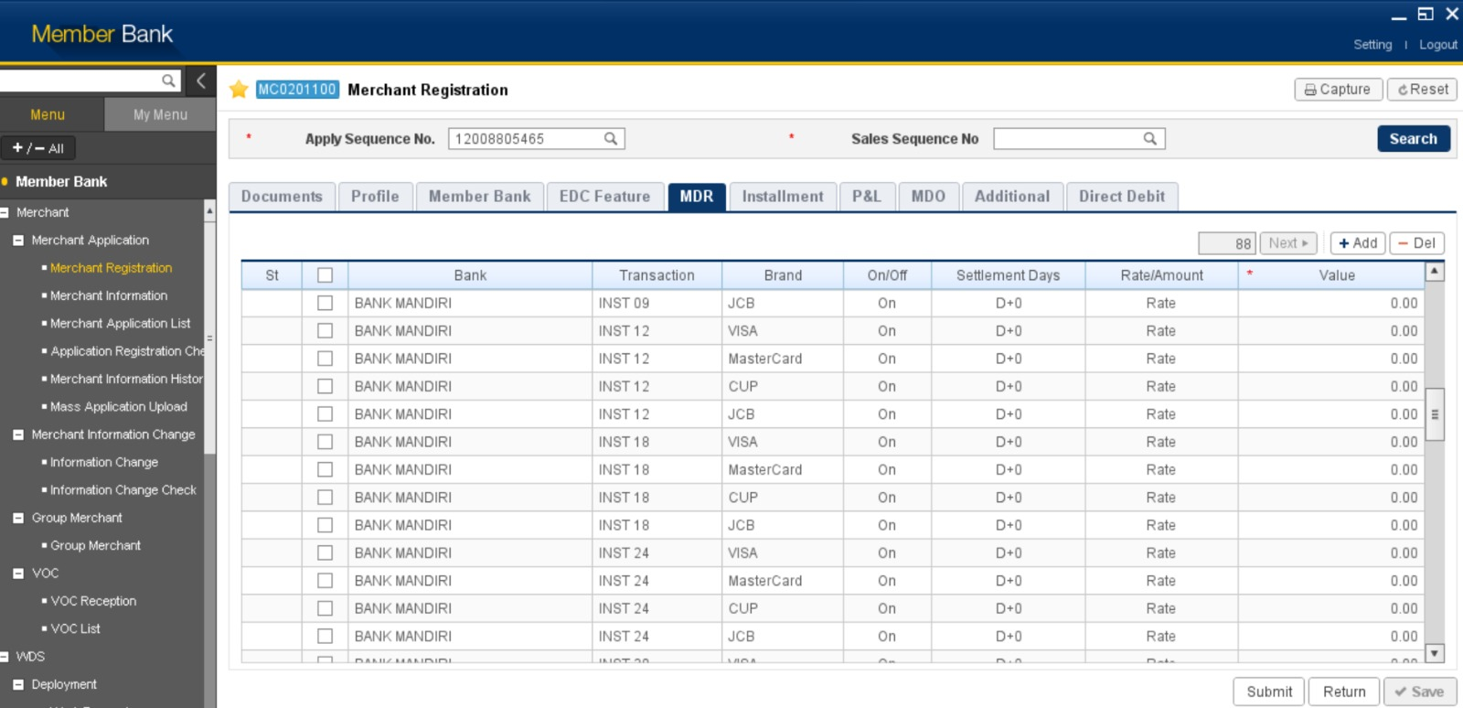







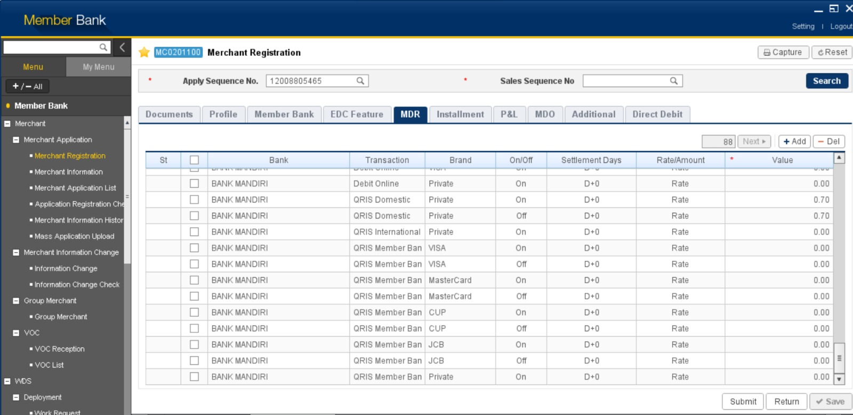

TAMBAHAN
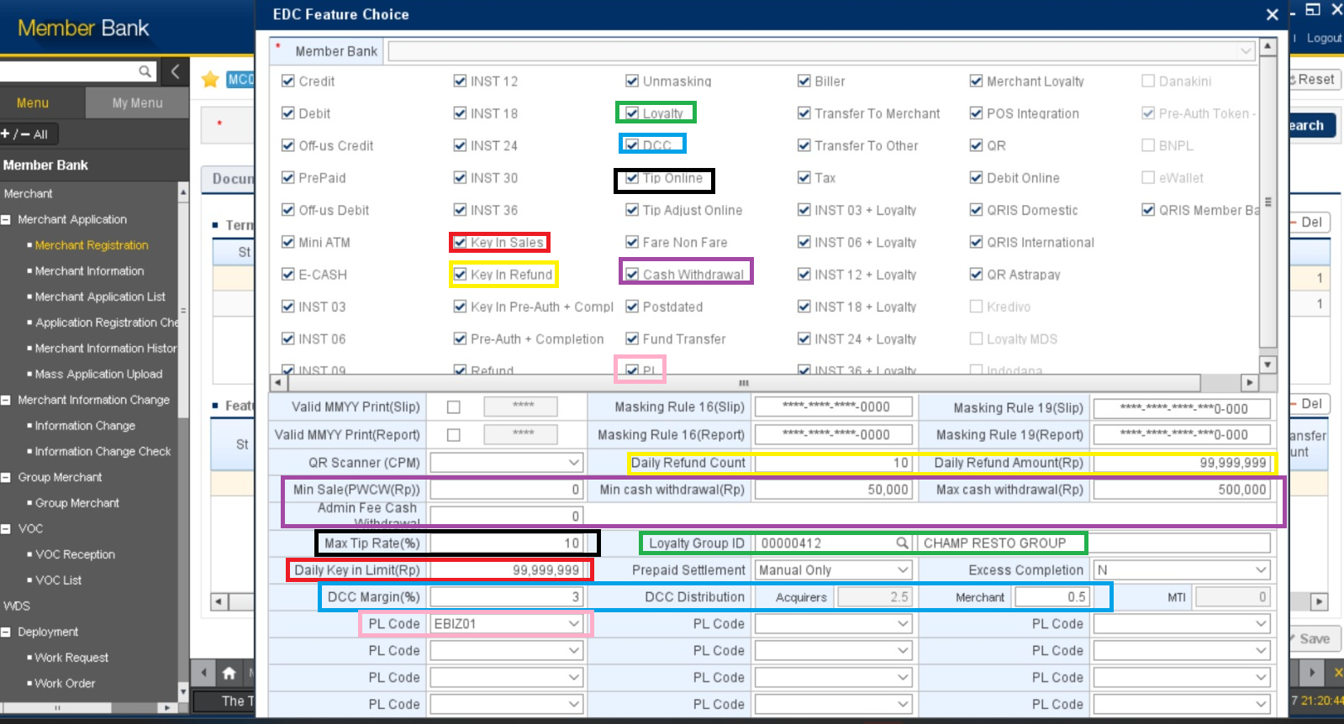

KETERANGAN
Kotak Merah | Jika Key In Sales di ceklis, maka field Daily Key In Limit (Rp) terbuka dengan default angka seperti diatas dan bisa di edit
Kotak Kuning | Jika Key in Refund di ceklis, maka field Daily Refund Count dan Daily Refund Amount (Rp) terbuka dengan default angka seperti diatas dan bisa diedit
Kotak Hijau | Jika Loyalty di ceklis, maka field Loyalty Group ID terbuka seperti gambar diatas, dan bisa melakukan pencarian GID dengan icon kaca pembesar
Kotak Biru | Jika DCC di ceklis, maka field DCC Margin (%) terbuka dan bisa diisi, DCC Distributin Merchant terbuka dan bisa diisi, kemudian DCC Distrubution Acquires akan terisi otomatis dari angka pembagian antara DCC Margin dan Merchant
Kotak Hitam | Jika Tip Online di ceklis, maka field Max Tip Rate (%) terbuka dan bisa diisi
Kotak Ungu | Jika Cashwithdrawal di ceklis, maka fied Min Sale (PWCW(Rp)), Min Cash Withdrawal (Rp), Max Cash Withdrawal (Rp), Admin Fee Cash Withdrawal terbuka dan bisa diisi
Kotak Pink | Jika PL di ceklis, maka field PL Code terbuka dan ada pilihan list MPL Code yang akan disesuaikan dengan permintaan (drop down list MPL code)

MDR
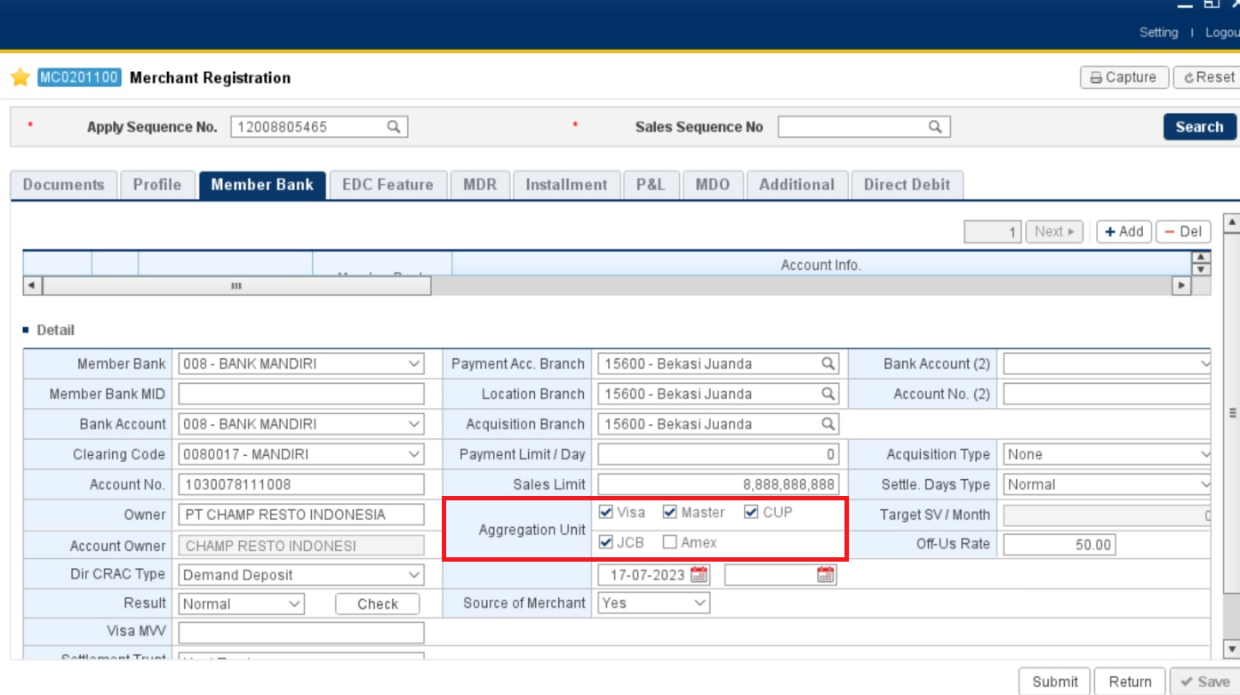
Bank | Transaction | Brand | On/Off | Start Date | End Date | Settlement Days | Rate/Amount | Value
BANK MANDIRI | Credit | VISA | On | 2023-07-18 | 401768 | D+0 | Rate | 1.5
BANK MANDIRI | Credit | VISA | Off | 2023-07-18 | 401768 | D+0 | Rate | 1.5
BANK MANDIRI | Credit | MasterCard | On | 2023-07-18 | 401768 | D+0 | Rate | 1.5
BANK MANDIRI | Credit | MasterCard | Off | 2023-07-18 | 401768 | D+0 | Rate | 1.5
BANK MANDIRI | Credit | CUP | On | 2023-07-18 | 401768 | D+0 | Rate | 1.8
BANK MANDIRI | Credit | CUP | Off | 2023-07-18 | 401768 | D+0 | Rate | 1.8
BANK MANDIRI | Credit | JCB | On | 2023-07-18 | 401768 | D+0 | Rate | 1.5
BANK MANDIRI | Credit | JCB | Off | 2023-07-18 | 401768 | D+0 | Rate | 1.5
BANK MANDIRI | Debit | VISA | On | 2023-07-18 | 401768 | D+0 | Rate | 0.15
BANK MANDIRI | Debit | Private | On | 2023-07-18 | 401768 | D+0 | Rate | 0.15
BANK MANDIRI | Debit | Altajasa | Off | 2023-07-18 | 401768 | D+0 | Rate | 1
BANK MANDIRI | Debit | Rintis | Off | 2023-07-18 | 401768 | D+0 | Rate | 1
BANK MANDIRI | Debit | JPN | Off | 2023-07-18 | 401768 | D+0 | Rate | 1
BANK MANDIRI | Prepaid | Private | On | 2023-07-18 | 401768 | D+0 | Rate | 0.5
BANK MANDIRI | E-Cash | Private | On | 2023-07-18 | 401768 | D+0 | Rate | 0
BANK MANDIRI | INST 03 | VISA | On | 2023-07-18 | 401768 | D+0 | Rate | 0
BANK MANDIRI | INST 03 | MasterCard | On | 2023-07-18 | 401768 | D+0 | Rate | 0
BANK MANDIRI | INST 03 | CUP | On | 2023-07-18 | 401768 | D+0 | Rate | 0
BANK MANDIRI | INST 03 | JCB | On | 2023-07-18 | 401768 | D+0 | Rate | 0 | Untuk Brand yang muncul di tab MDR berdasarkan ceklis Aggregation Unit di tab Member Bank. Jadi semisal CUP tidak di ceklis maka pada tab MDR untuk Transaction dengan Brand CUP tidak akan muncul
BANK MANDIRI | INST 06 | VISA | On | 2023-07-18 | 401768 | D+0 | Rate | 0
BANK MANDIRI | INST 06 | MasterCard | On | 2023-07-18 | 401768 | D+0 | Rate | 0
BANK MANDIRI | INST 06 | CUP | On | 2023-07-18 | 401768 | D+0 | Rate | 0
BANK MANDIRI | INST 06 | JCB | On | 2023-07-18 | 401768 | D+0 | Rate | 0
BANK MANDIRI | INST 09 | VISA | On | 2023-07-18 | 401768 | D+0 | Rate | 0
BANK MANDIRI | INST 09 | MasterCard | On | 2023-07-18 | 401768 | D+0 | Rate | 0
BANK MANDIRI | INST 09 | CUP | On | 2023-07-18 | 401768 | D+0 | Rate | 0
BANK MANDIRI | INST 09 | JCB | On | 2023-07-18 | 401768 | D+0 | Rate | 0
BANK MANDIRI | INST 12 | VISA | On | 2023-07-18 | 401768 | D+0 | Rate | 0
BANK MANDIRI | INST 12 | MasterCard | On | 2023-07-18 | 401768 | D+0 | Rate | 0
BANK MANDIRI | INST 12 | CUP | On | 2023-07-18 | 401768 | D+0 | Rate | 0
BANK MANDIRI | INST 12 | JCB | On | 2023-07-18 | 401768 | D+0 | Rate | 0
BANK MANDIRI | INST 18 | VISA | On | 2023-07-18 | 401768 | D+0 | Rate | 0
BANK MANDIRI | INST 18 | MasterCard | On | 2023-07-18 | 401768 | D+0 | Rate | 0
BANK MANDIRI | INST 18 | CUP | On | 2023-07-18 | 401768 | D+0 | Rate | 0
BANK MANDIRI | INST 18 | JCB | On | 2023-07-18 | 401768 | D+0 | Rate | 0
BANK MANDIRI | INST 24 | VISA | On | 2023-07-18 | 401768 | D+0 | Rate | 0
BANK MANDIRI | INST 24 | MasterCard | On | 2023-07-18 | 401768 | D+0 | Rate | 0
BANK MANDIRI | INST 24 | CUP | On | 2023-07-18 | 401768 | D+0 | Rate | 0
BANK MANDIRI | INST 24 | JCB | On | 2023-07-18 | 401768 | D+0 | Rate | 0
BANK MANDIRI | INST 30 | VISA | On | 2023-07-18 | 401768 | D+0 | Rate | 0
BANK MANDIRI | INST 30 | MasterCard | On | 2023-07-18 | 401768 | D+0 | Rate | 0
BANK MANDIRI | INST 30 | CUP | On | 2023-07-18 | 401768 | D+0 | Rate | 0
BANK MANDIRI | INST 30 | JCB | On | 2023-07-18 | 401768 | D+0 | Rate | 0
BANK MANDIRI | INST 36 | VISA | On | 2023-07-18 | 401768 | D+0 | Rate | 0
BANK MANDIRI | INST 36 | MasterCard | On | 2023-07-18 | 401768 | D+0 | Rate | 0
BANK MANDIRI | INST 36 | CUP | On | 2023-07-18 | 401768 | D+0 | Rate | 0
BANK MANDIRI | INST 36 | JCB | On | 2023-07-18 | 401768 | D+0 | Rate | 0
BANK MANDIRI | Cash Withdrawal | Private | On | 2023-07-18 | 401768 | D+0 | Rate | 0
BANK MANDIRI | PL | Private | On | 2023-07-18 | 401768 | D+0 | Rate | 0
BANK MANDIRI | INST 03 + Loyalty | VISA | On | 2023-07-18 | 401768 | D+0 | Rate | 0
BANK MANDIRI | INST 03 + Loyalty | MasterCard | On | 2023-07-18 | 401768 | D+0 | Rate | 0
BANK MANDIRI | INST 03 + Loyalty | CUP | On | 2023-07-18 | 401768 | D+0 | Rate | 0
BANK MANDIRI | INST 03 + Loyalty | JCB | On | 2023-07-18 | 401768 | D+0 | Rate | 0
BANK MANDIRI | INST 06 + Loyalty | VISA | On | 2023-07-18 | 401768 | D+0 | Rate | 0
BANK MANDIRI | INST 06 + Loyalty | MasterCard | On | 2023-07-18 | 401768 | D+0 | Rate | 0
BANK MANDIRI | INST 06 + Loyalty | CUP | On | 2023-07-18 | 401768 | D+0 | Rate | 0
BANK MANDIRI | INST 06 + Loyalty | JCB | On | 2023-07-18 | 401768 | D+0 | Rate | 0
BANK MANDIRI | INST 09 + Loyalty | VISA | On | 2023-07-18 | 401768 | D+0 | Rate | 0
BANK MANDIRI | INST 09 + Loyalty | MasterCard | On | 2023-07-18 | 401768 | D+0 | Rate | 0
BANK MANDIRI | INST 09 + Loyalty | CUP | On | 2023-07-18 | 401768 | D+0 | Rate | 0
BANK MANDIRI | INST 09 + Loyalty | JCB | On | 2023-07-18 | 401768 | D+0 | Rate | 0
BANK MANDIRI | INST 12 + Loyalty | VISA | On | 2023-07-18 | 401768 | D+0 | Rate | 0
BANK MANDIRI | INST 12 + Loyalty | MasterCard | On | 2023-07-18 | 401768 | D+0 | Rate | 0
BANK MANDIRI | INST 12 + Loyalty | CUP | On | 2023-07-18 | 401768 | D+0 | Rate | 0
BANK MANDIRI | INST 12 + Loyalty | JCB | On | 2023-07-18 | 401768 | D+0 | Rate | 0
BANK MANDIRI | INST 18 + Loyalty | VISA | On | 2023-07-18 | 401768 | D+0 | Rate | 0
BANK MANDIRI | INST 18 + Loyalty | MasterCard | On | 2023-07-18 | 401768 | D+0 | Rate | 0
BANK MANDIRI | INST 18 + Loyalty | CUP | On | 2023-07-18 | 401768 | D+0 | Rate | 0
BANK MANDIRI | INST 18 + Loyalty | JCB | On | 2023-07-18 | 401768 | D+0 | Rate | 0
BANK MANDIRI | INST 24 + Loyalty | VISA | On | 2023-07-18 | 401768 | D+0 | Rate | 0
BANK MANDIRI | INST 24 + Loyalty | MasterCard | On | 2023-07-18 | 401768 | D+0 | Rate | 0
BANK MANDIRI | INST 24 + Loyalty | CUP | On | 2023-07-18 | 401768 | D+0 | Rate | 0
BANK MANDIRI | INST 24 + Loyalty | JCB | On | 2023-07-18 | 401768 | D+0 | Rate | 0
BANK MANDIRI | INST 30 + Loyalty | VISA | On | 2023-07-18 | 401768 | D+0 | Rate | 0
BANK MANDIRI | INST 30 + Loyalty | MasterCard | On | 2023-07-18 | 401768 | D+0 | Rate | 0
BANK MANDIRI | INST 30 + Loyalty | CUP | On | 2023-07-18 | 401768 | D+0 | Rate | 0
BANK MANDIRI | INST 30 + Loyalty | JCB | On | 2023-07-18 | 401768 | D+0 | Rate | 0
BANK MANDIRI | INST 36 + Loyalty | VISA | On | 2023-07-18 | 401768 | D+0 | Rate | 0
BANK MANDIRI | INST 36 + Loyalty | MasterCard | On | 2023-07-18 | 401768 | D+0 | Rate | 0
BANK MANDIRI | INST 36 + Loyalty | CUP | On | 2023-07-18 | 401768 | D+0 | Rate | 0
BANK MANDIRI | INST 36 + Loyalty | JCB | On | 2023-07-18 | 401768 | D+0 | Rate | 0
BANK MANDIRI | QR | Private | On | 2023-07-18 | 401768 | D+0 | Rate | 0
BANK MANDIRI | Debit Online | VISA | On | 2023-07-18 | 401768 | D+0 | Rate | 0
BANK MANDIRI | Debit Online | Private | On | 2023-07-18 | 401768 | D+0 | Rate | 0
BANK MANDIRI | QRIS Domestic | Private | On | 2023-07-18 | 401768 | D+0 | Rate | 0
BANK MANDIRI | QRIS Domestic | Private | Off | 2023-07-18 | 401768 | D+0 | Rate | 0
BANK MANDIRI | QRIS International | Private | On | 2023-07-18 | 401768 | D+0 | Rate | 0
BANK MANDIRI | QRIS Member Bank | VISA | On | 2023-07-18 | 401768 | D+0 | Rate | 0
BANK MANDIRI | QRIS Member Bank | VISA | Off | 2023-07-18 | 401768 | D+0 | Rate | 0
BANK MANDIRI | QRIS Member Bank | MasterCard | On | 2023-07-18 | 401768 | D+0 | Rate | 0
BANK MANDIRI | QRIS Member Bank | MasterCard | Off | 2023-07-18 | 401768 | D+0 | Rate | 0
BANK MANDIRI | QRIS Member Bank | CUP | On | 2023-07-18 | 401768 | D+0 | Rate | 0
BANK MANDIRI | QRIS Member Bank | CUP | Off | 2023-07-18 | 401768 | D+0 | Rate | 0
BANK MANDIRI | QRIS Member Bank | JCB | On | 2023-07-18 | 401768 | D+0 | Rate | 0
BANK MANDIRI | QRIS Member Bank | JCB | Off | 2023-07-18 | 401768 | D+0 | Rate | 0
BANK MANDIRI | QRIS Member Bank | Private | On | 2023-07-18 | 401768 | D+0 | Rate | 0
BANK TABUNGAN NEGARA (PERSERO) (BTN) | Debit | Private | Off | 2023-07-18 | 401768 | D+0 | Rate | 1.00

Untuk field yang berwarna kuning (BTN) pada MAAS ditambahkan manual, bukan muncul karena satu ceklis

Alipay
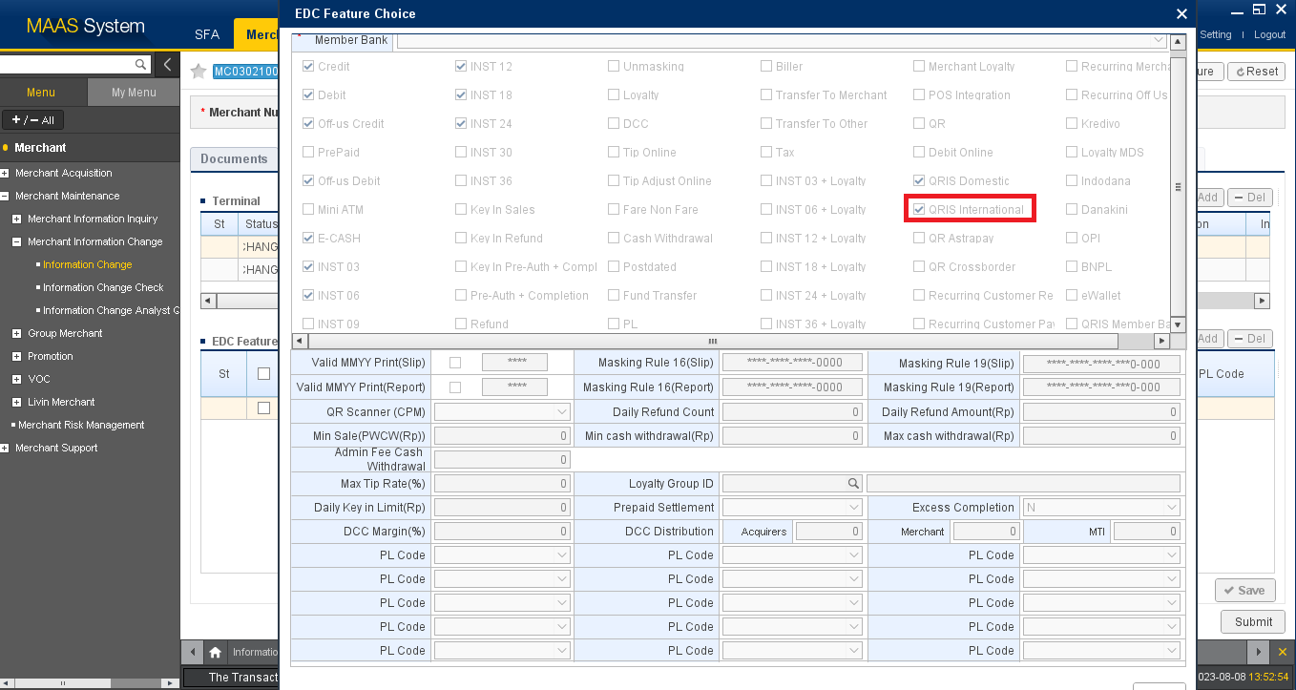

Penambahan Fitur Alipay yang diceklis adalah QRIS International

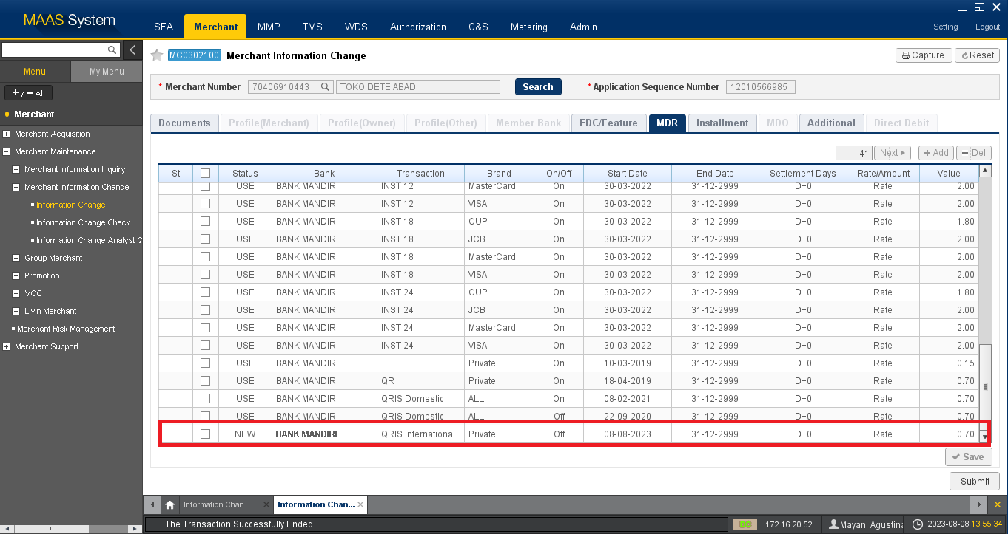

MDR yang muncul adalah
Status | Bank | Transaction | Brand | On/Off | Start Date | End Date | Settlement Days | Rate/Amount | Value
NEW | BANK MANDIRI | QRIS International | Private | OFF | 08-08-2023 | 31-12-2999 | D+0 | Rate | 0.70

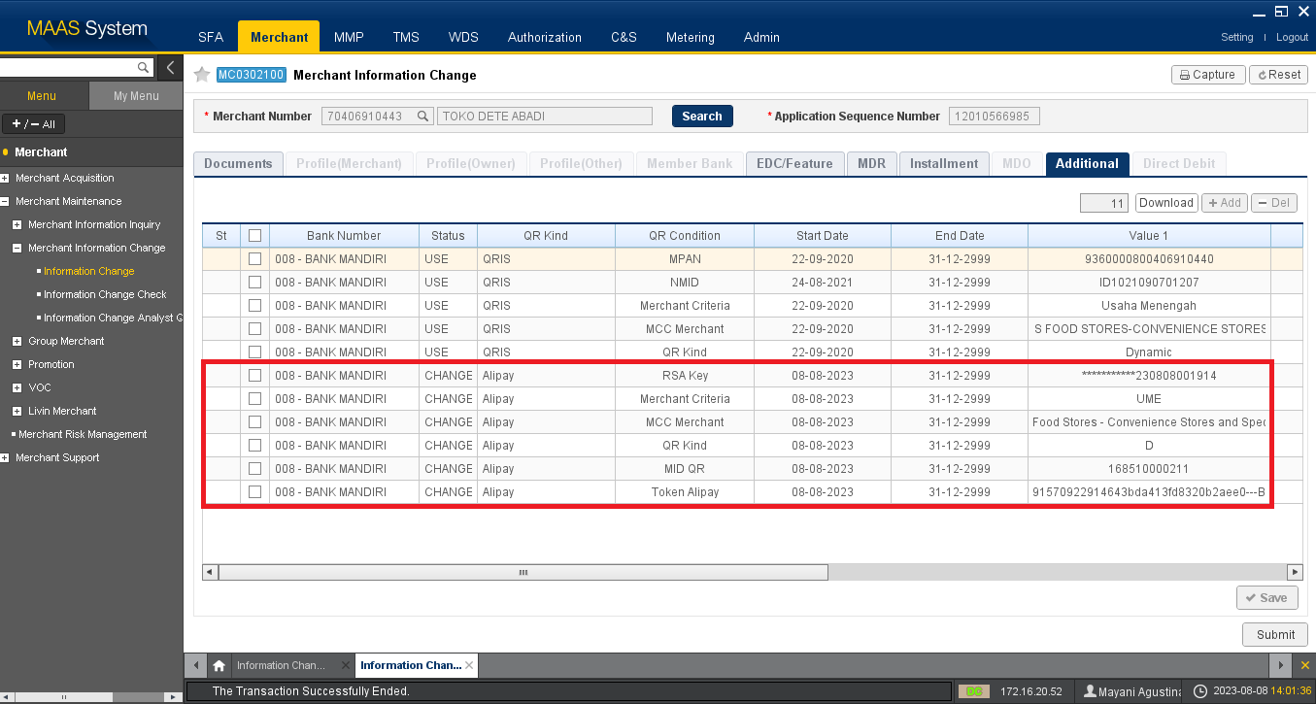

Yang ditambahkan secara manual di tab Additional
Bank Number | Status | QR Kind | QR Condition | Start Date | End Date | Value 1
008 - BANK MANDIRI | CHANGE | Alipay | RSA Key | 08-08-2023 | 31-12-2999 | Berdasarkan Field Mandatory (Excel)
008 - BANK MANDIRI | CHANGE | Alipay | Merchant Criteria | 08-08-2023 | 31-12-2999 | Berdasarkan Field Mandatory (Excel)
008 - BANK MANDIRI | CHANGE | Alipay | MCC Merchant | 08-08-2023 | 31-12-2999 | Berdasarkan Field Mandatory (Excel)
008 - BANK MANDIRI | CHANGE | Alipay | QR Kind | 08-08-2023 | 31-12-2999 | Berdasarkan Field Mandatory (Excel)
008 - BANK MANDIRI | CHANGE | Alipay | MID QR | 08-08-2023 | 31-12-2999 | Berdasarkan Field Mandatory (Excel)
008 - BANK MANDIRI | CHANGE | Alipay | Token Alipay | 08-08-2023 | 31-12-2999 | Berdasarkan Field Mandatory (Excel)

